Overview Dashboard
NIGERIA CAR MARKET ANALYSIS
Market & Performance Overview
Overview
Details
Clear Filters
PO
Precious Ogba
understanding distribution,demand amd pricing patterns.

Total Listed Vehicles
Avg. Price of Cars(₦)
Average Mileage(km)
Top Selling Model
Average Engine Capacity(L)
Camry(548)
 | Total
1979 | 2
1992 | 1
1994 | 3
1995 | 8
1996 | 7
1997 | 14
1998 | 21
1999 | 22
2000 | 55
2001 | 62
2002 | 98
2003 | 166
2004 | 210
2005 | 266
2006 | 254
2007 | 471
2008 | 411
2009 | 301
2010 | 303
2011 | 235
2012 | 262
2013 | 184
2014 | 144
2015 | 84
2016 | 54
2017 | 27
2018 | 28
2019 | 20
2020 | 7
2021 | 1
2022 | 1
3722
 | Total
1979 | 1890000
1992 | 735000
1994 | 1227500
1995 | 1820625
1996 | 1365000
1997 | 1801928.5714
1998 | 1292166.6667
1999 | 1510431.8182
2000 | 1929823.6364
2001 | 1875810.4839
2002 | 2106079.0816
2003 | 2170675.6024
2004 | 2611207.1429
2005 | 2812389.0977
2006 | 2770606.8661
2007 | 3432722.0807
2008 | 3603413.017
2009 | 4133339.701
2010 | 4953721.1056
2011 | 5553174.434
2012 | 5622956.1069
2013 | 6580019.0217
2014 | 7754284.7222
2015 | 11355321.429
2016 | 11270305.556
2017 | 12604259.259
2018 | 18143678.571
2019 | 16092450
2020 | 24875000
2021 | 21900000
2022 | 19110000
₦4.51M
195/km
 | Total
1994 | 1
1997 | 7
1998 | 11
1999 | 1
2000 | 14
2001 | 7
2002 | 27
2003 | 26
2004 | 23
2005 | 38
2006 | 13
2007 | 100
2008 | 44
2009 | 52
2010 | 39
2011 | 44
2012 | 51
2013 | 12
2014 | 16
2015 | 8
2016 | 4
2017 | 4
2018 | 5
2020 | 1
 | Total
1979 | 0
1992 | -0.61111111111
1994 | -0.35052910053
1995 | -0.036706349206
1996 | -0.27777777778
1997 | -0.046598639456
1998 | -0.31631393298
1999 | -0.20082972583
2000 | 0.021070707071
2001 | -0.0075076804916
2002 | 0.11432755642
2003 | 0.14850560974
2004 | 0.38159108088
2005 | 0.48803655965
2006 | 0.46592955881
2007 | 0.81625506914
2008 | 0.90656773388
2009 | 1.1869522227
2010 | 1.621016458
2011 | 1.9381875312
2012 | 1.9751090513
2013 | 2.4814915459
2014 | 3.1027961493
2015 | 5.008106576
2016 | 4.9631246326
2017 | 5.668920243
2018 | 8.599829932
2019 | 7.5145238095
2020 | 12.161375661
2021 | 10.587301587
2022 | 9.1111111111
10.9L
manufacturing year
 | Total
1979 | 114638
1992 | 352799
1994 | 341030.66667
1995 | 183492.375
1996 | 242107.71429
1997 | 328547.92857
1998 | 301232.28571
1999 | 275198.36364
2000 | 236910.52727
2001 | 261405.72581
2002 | 247304.64286
2003 | 239906.87952
2004 | 264044.29524
2005 | 242610.85338
2006 | 207189.44882
2007 | 199657.55202
2008 | 194261.65207
2009 | 191562.78405
2010 | 200187.46865
2011 | 165033
2012 | 167062.50763
2013 | 138334.25543
2014 | 127954.93056
2015 | 110062.41667
2016 | 92420.12963
2017 | 56704.62963
2018 | 51690.142857
2019 | 45044.6
2020 | 29010.714286
2021 | 1791
2022 | 23087

 | Total
Camry | 548
Corolla | 405
Accord | 179
Highlander | 139
ES | 115
Sienna | 103
RAV4 | 90
Edge | 77
RX 350 | 70
M Class | 54
Top-5 Most Preferred Car Colors
Distribution of Cars by Price-Bands
Top-5 Most Preferred Car Colors
Distribution of Cars by Models
 | Total
Mid-Range | 1891
Economy | 1578
Upper-Class | 227
Luxury | 26
 | Total
White | 295
Blue | 405
Silver | 571
Gray | 668
Black | 1009

registered city

 | Total
Automatic | 3486
CVT | 32
Manual | 202
Unknown | 2
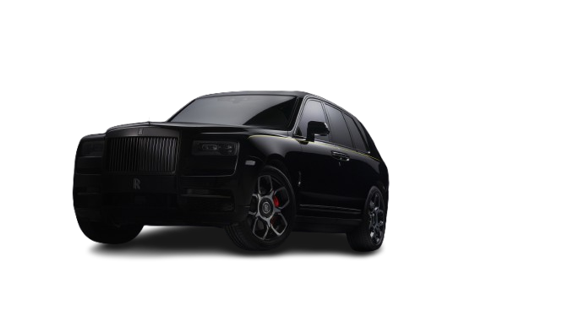

 | Total
Petrol | 3670
Hybrid | 36
Diesel | 14
Unknown | 1
Electric | 1
Most Used Fuel Type
Most Used Gear Type
 | Total
Brand new | 125
Imported | 1939
Registered | 1658
Conditions of Purchased Cars in Nigeria
Mid-range cars dominate inventory by 1891units with Camry as the top selling model,and buyers overwhelmingly prefer petrol(98.60%)
,automatic transmission(93.71%),and black-colored vehicles.

98.60%
Petrol
Automatic
93.71%

Others
Others
1.40%
6.34%

Details Dasboard
NIGERIA CAR MARKET ANALYSIS
Value & Performance Analysis
Top 10 Car-makes By Average Price
Overview
Details
Clear Filters
PO
Precious Ogba
Engine Type By Average Price
understanding what drives car value and pricing differences.
 | Total
4-10 | 14448684.783
11-17 | 5819240.4078
18-24 | 3019576.7026
39+ | 1890000
25-31 | 1757420.8995
32-38 | 1104375
Average Price By Car Age
Average Price Distribution by Car-Type
Average Price of Top10 Car Brands

 | Total
Crossover | 5028304.3478
Bus | 5384000
Pickup | 5631666.6667
Van | 5727416.6667
SUV | 6157590.5333
Pick-up Double Cabin | 6528333.3333
Truck | 7072363.6364
Convertible | 13564166.667
 | Total
Chevrolet | 5620000
Lexus | 5798239.7143
Suzuki | 6300000
Cadillac | 6693750
Mercedes-Benz | 7546197.1477
Jeep | 7561083.3333
Porsche | 8610000
Jaguar | 10955000
Land Rover | 12009659.447
Bentley | 24150000
Selling Condition

Price Band

Top 10 Nigerian Registered Cities By Average Price
Registered City
Average Price

Asaba
₦6.71M
Price Differences Across Engine Types
Fct
₦5.87M
 | Total
Compact Engine | 3007197.9325
Economy Engine | 3374047.8261
Mid-size Engine | 3958647.3772
Large Engine | 5223603.2351
Performance Engine | 8552535.8785
Average Price By Car Condition
Unspecified
₦5.12M
 | Total
Foreign Used | 6564904.6251
Brand New | 6010000
Nigerian Used | 3852512.1529
4-10yr old vehicles lead sales at 14.4M,Bentley tops brand pricing,Asaba has the highest city average.High Performance engines drive the most revenue while Foreign used cars dominate by selling conditions.
Borno
₦5.06M
Edo
₦4.71M
₦4.68M
Adamawa
Sokoto
₦4.18M
Abuja
₦4.16M

Rivers
₦4.10M
Lagos
₦4.08M

M

